GRPAH
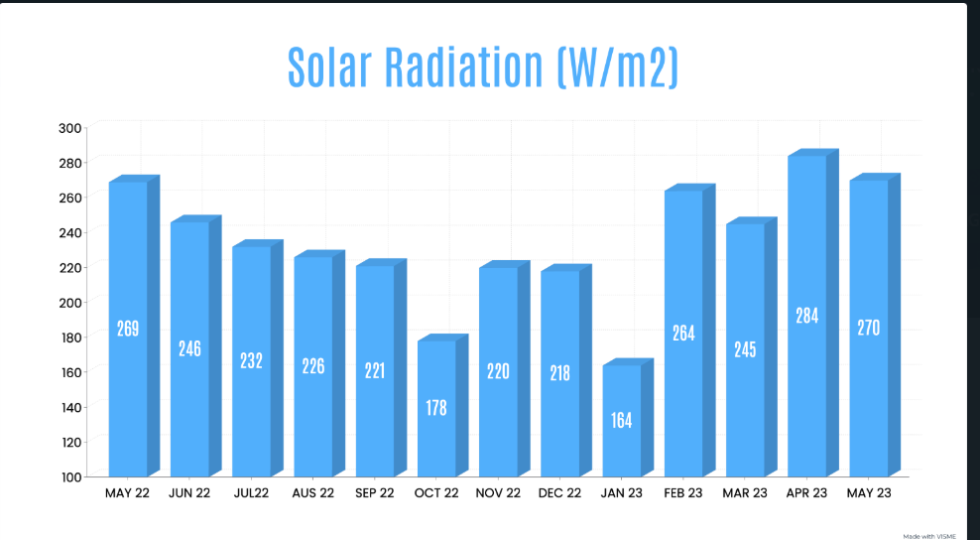
MONTHS | AVG. SOLAR KWH | AVG KW/M2(DNI)
May-22 | 207640.5708 | 268.9546575
Jun-22 | 209256.9167 | 245.8108661
Jul-22 | 210984.6864 | 232.212154
Aug-22 | 212765.7712 | 226.2820403
Sep-22 | 214529.8636 | 220.7828863
Oct-22 | 215940.0687 | 177.6532687
Nov-22 | 216432.2567 | 219.659658
Dec-22 | 216504.7031 | 217.6655466
Jan-23 | 216568.1582 | 164.1243292
Feb-23 | 216633.3532 | 268.4944677
Mar-23 | 216722.4481 | 244.7866785
Apr-23 | 217170.0732 | 284.599439
May-23 | 218787.6541 | 269.777652

Month | Batt Exp kWh | Batt Imp kWh
May-22 | 157.1 | 210.7
Jun-22 | 172.8 | 169.7
Jul-22 | 206.3 | 201.5
Aug-22 | 199.7 | 159.8
Sep-22 | 266.2 | 226.9
Oct-22 | 174.2 | 138.7
Nov-22 | 42 | 22.6
Dec-22 | 43.2 | 18.2
Jan-23 | 42 | 18.6
Feb-23 | 36.3 | 22.6
Mar-23 | 75.6 | 29
Apr-23 | 75.6 | 77.5
May-23 | 70.1 | 90

